Bug1

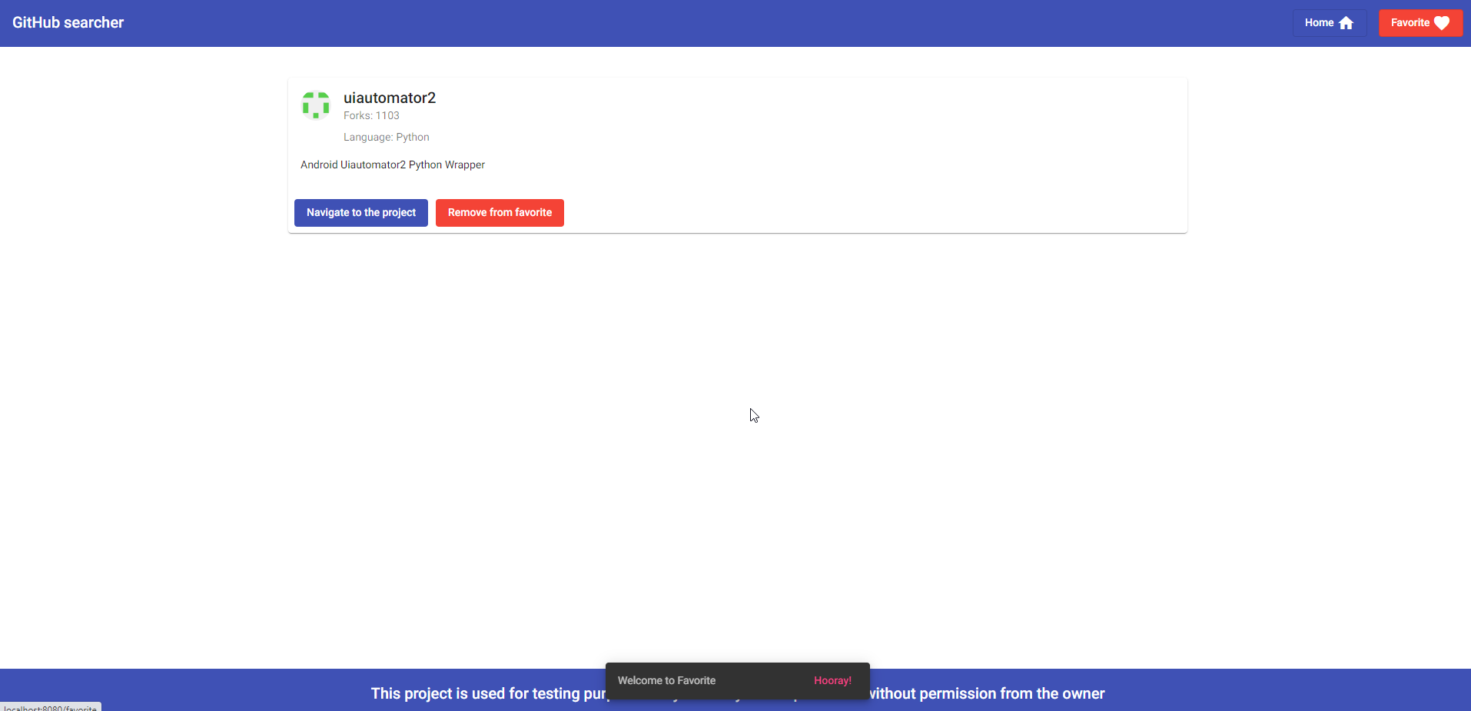
Project: | GitHub Searcher
Issue Type: | Bug
Summary: | The user can go to favorites using an invalid password
Priority: (1-5) 1. Blocker 2. Critical 3. Major 4. Minor 5. Trivial | Critical
Assignee: | Viktor Sanzharevskii
Description:
Browser used: | Chrome version 100.0.4896.127
Environment details: | GitHub Searcher
Expected result: | The user must use only a valid password.
Steps to reproduce:
1. Open GitHub searcher application 2. Click in right corner on "Favorite" button 3. Enter the password "++" 4. Enter the password "--" 5. Enter the password "e" 5. Click on "Ok" button
Encountered result:
After the user enters the invalid passwords ("++", "--", "e"), it is possible to see all saved favorites.

Notes:
Attached screenshots

Bug2
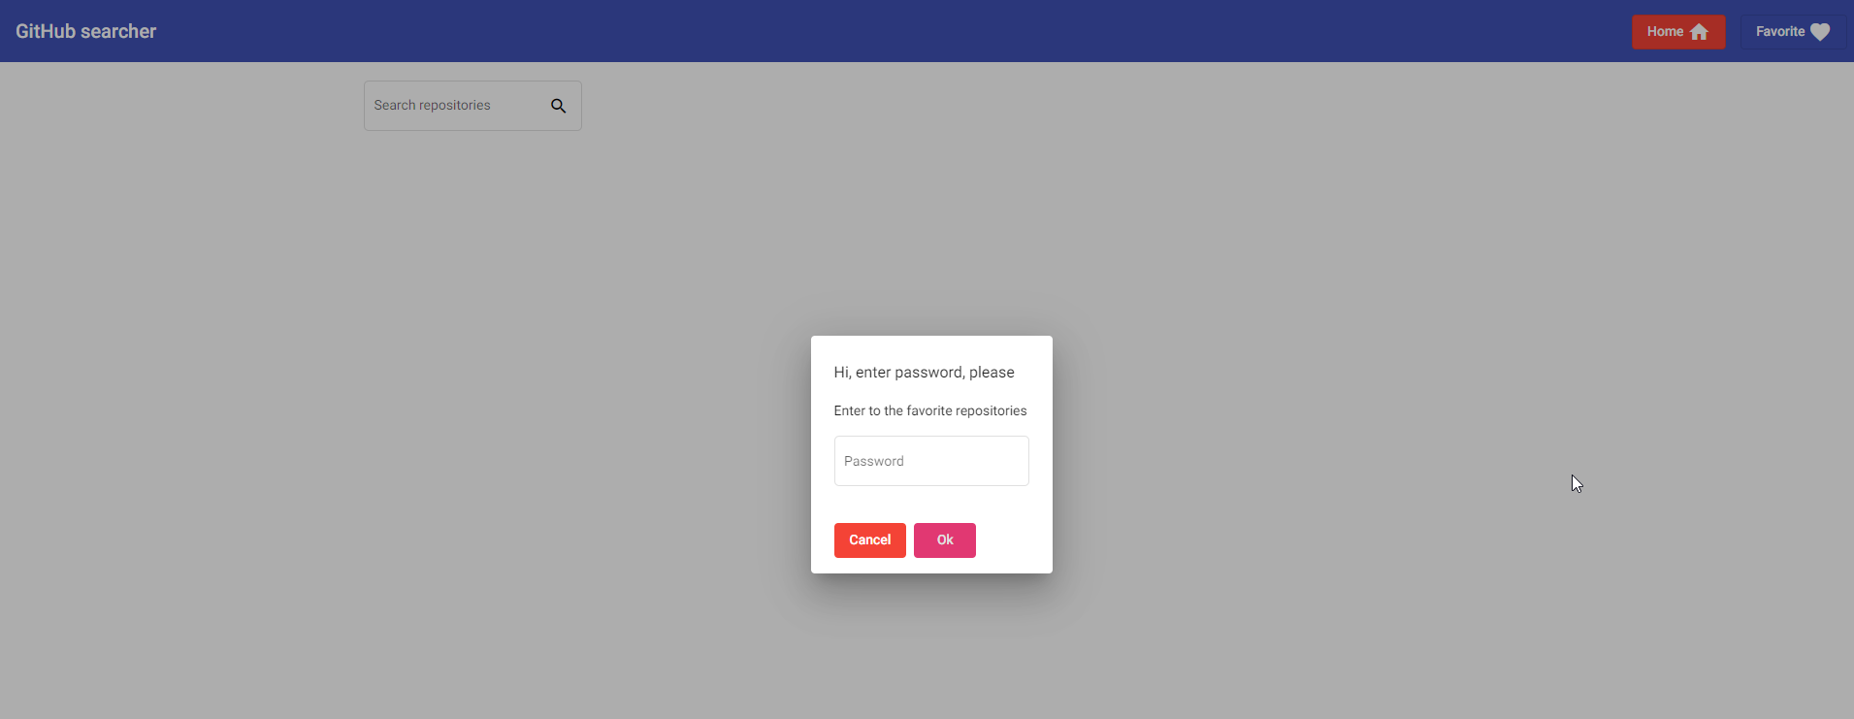
Project: | GitHub Searcher
Issue Type: | Bug
Summary: | The user can go to favorites without entering a password
Priority: (1-5) 1. Blocker 2. Critical 3. Major 4. Minor 5. Trivial | Critical
Assignee: | Viktor Sanzharevskii
Description:
Browser used: | Chrome version 100.0.4896.127
Environment details: | GitHub Searcher
Expected result: | To open favorites page user is required to enter the password - 1234. Otherwise system redirects user to the Home page.
Steps to reproduce:
1. Open GitHub searcher application 2. Click in right corner on "Favorite" button 3. Leave the password field blank and click outside the field
Encountered result:
When the user clicks outside the login box, the user passes without notifying the error. All saved favorites are present.

Notes:
Attached screenshots

Bug3

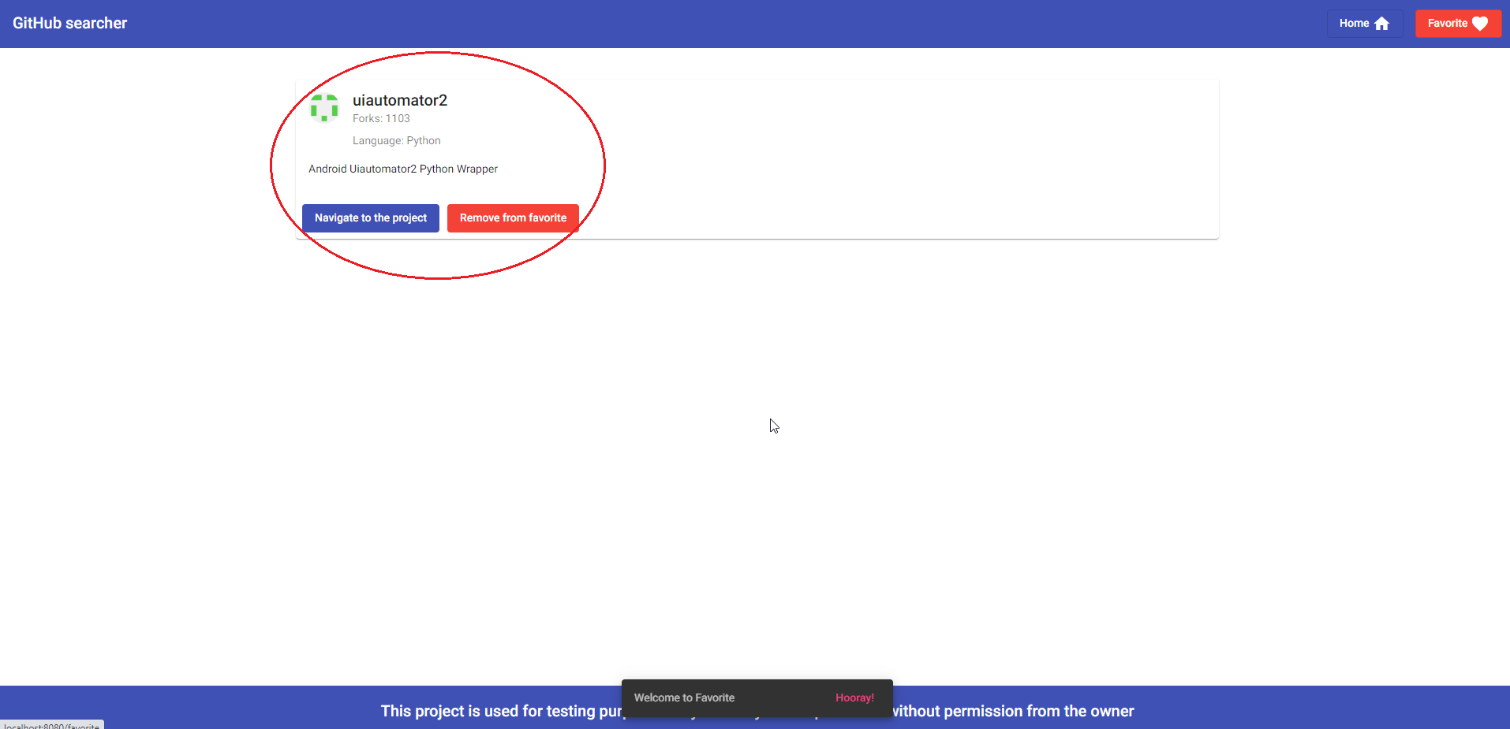
Project: | GitHub Searcher
Issue Type: | Bug
Summary: | The user can see the saved favorites even if he has not saved any before
Priority: (1-5) 1. Blocker 2. Critical 3. Major 4. Minor 5. Trivial | Major
Assignee: | Viktor Sanzharevskii
Description:
Browser used: | Chrome version 100.0.4896.127
Environment details: | GitHub Searcher
Expected result: | The user should see the correct current status of saved projects in Favorites.
Steps to reproduce:
1. Open GitHub searcher application 2. Do not have any saved results 2. Click in right corner on "Favorite" button 3. Enter password "1234" 4. Click on "Ok" button
Encountered result:
The user can see the saved results in favorites even if he has not saved any before.

Notes:
Attached screenshots

Bug4
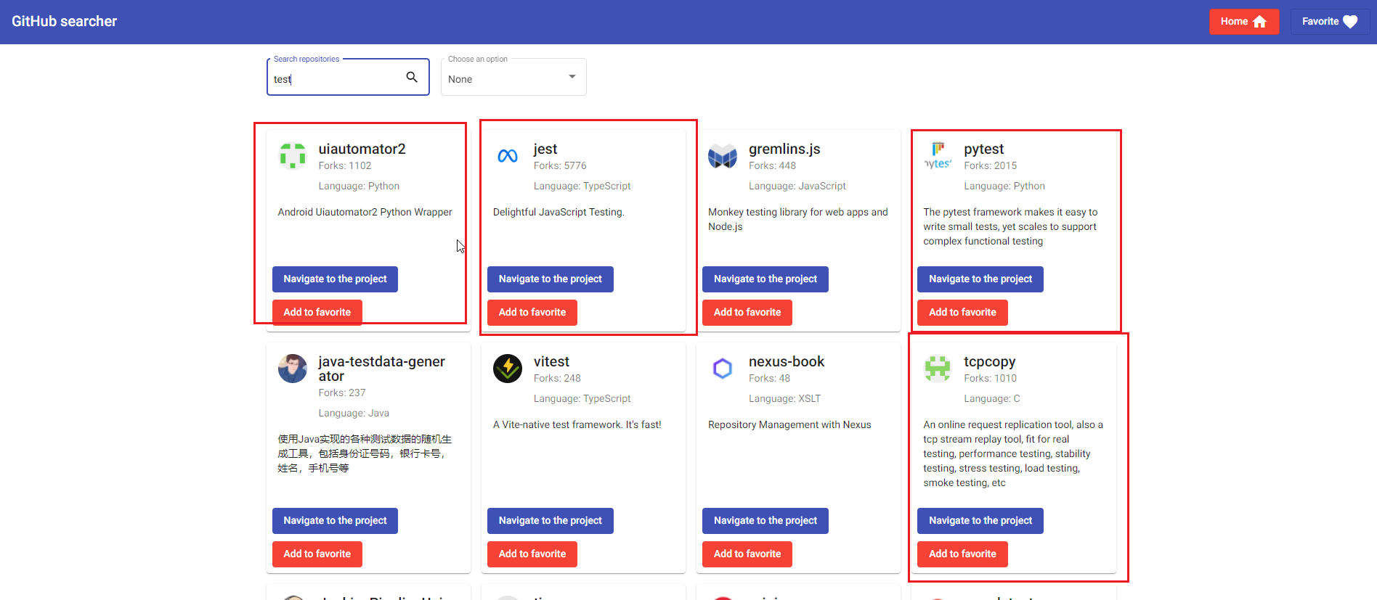
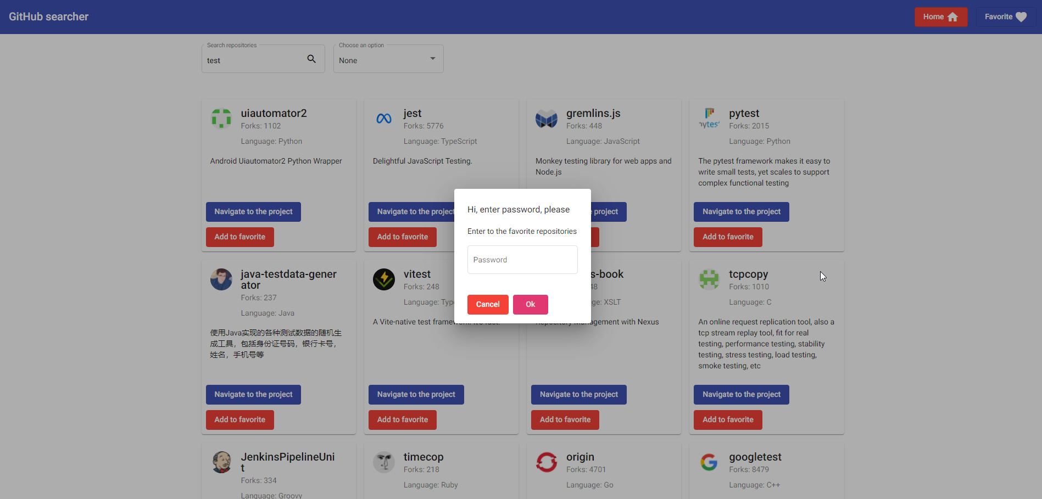
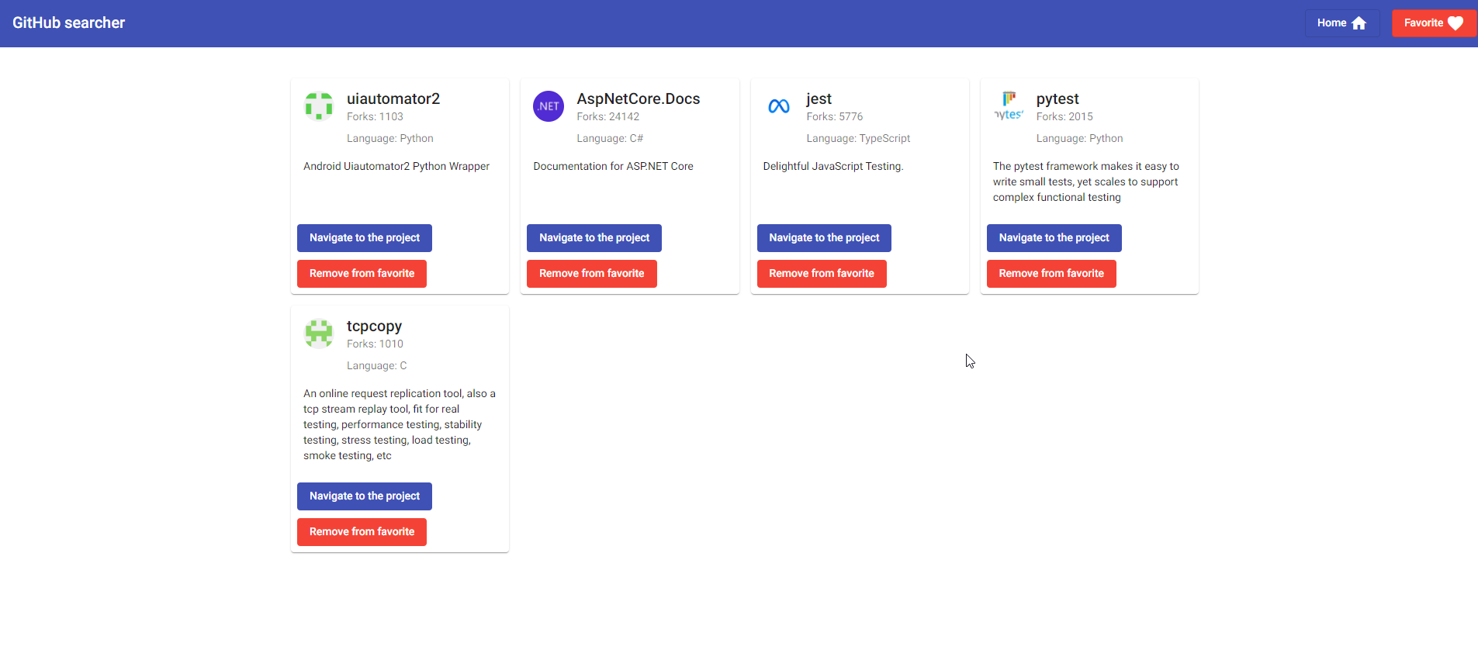
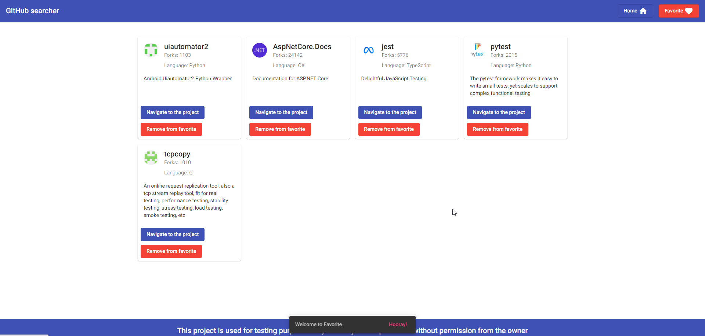
Project: | GitHub Searcher
Issue Type: | Bug
Summary: | Removed results from favorites are present, even if the user has deleted them in the past
Priority: (1-5) 1. Blocker 2. Critical 3. Major 4. Minor 5. Trivial | Critical
Assignee: | Viktor Sanzharevskii
Description:
Browser used: | Chrome version 100.0.4896.127
Environment details: | GitHub Searcher
Expected result: | When the user removes the project from Favorites, the project should no longer be present.
Steps to reproduce:
1. Open GitHub searcher application 2. Fill in the field "Search repository" keyword "test" 3. Select from the results and click on the "Add to Favorites" button 4. Click in right corner on "Favorite" button 5. Enter password "1234" 6. Click on "Ok" button 7. The user can see all the saved results in favorites 8. Delete all saved results by clicking the "Remove from Favorites" button 9. A confirmation message is displayed 10. Again open favorites 11. See if any recent results are saved
Encountered result:
Removed results from favorites are present, even if the user has deleted them in the past.

Notes:
Attached screenshots

Bug5
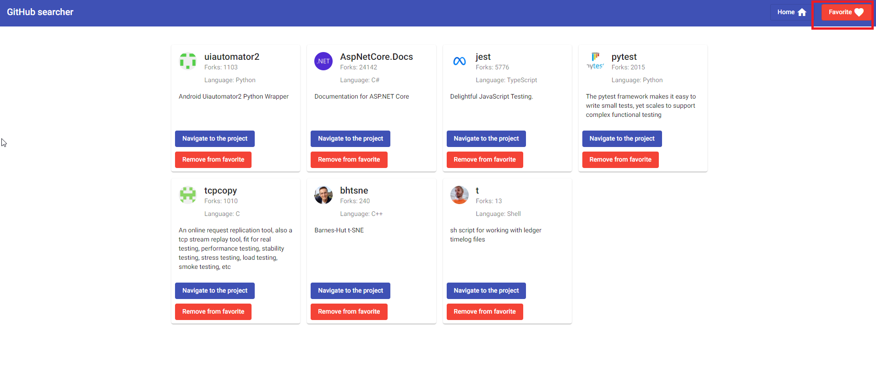

Project: | GitHub Searcher
Issue Type: | Bug
Summary: | All favorite projects have the same ending website
Priority: (1-5) 1. Blocker 2. Critical 3. Major 4. Minor 5. Trivial | Major
Assignee: | Viktor Sanzharevskii
Description:
Browser used: | Chrome version 100.0.4896.127
Environment details: | GitHub Searcher
Expected result: | Projects should have the same website on the Home screen, also in Favorites.
Steps to reproduce:
1. Open GitHub searcher application 2. Choose some projects, and click on "Add to favorite" 3. Click in right corner on "Favorite" button 5. Enter password "1234" 6. Click on "Ok" button 7. The user can see all the saved results in favorites 8. For each saved project, click on the "Navigate to project" button
Encountered result:
All favorite projects have the same ending website called "openatx". (https://github.com/openatx)

Notes:
Attached screenshots

